Intructions
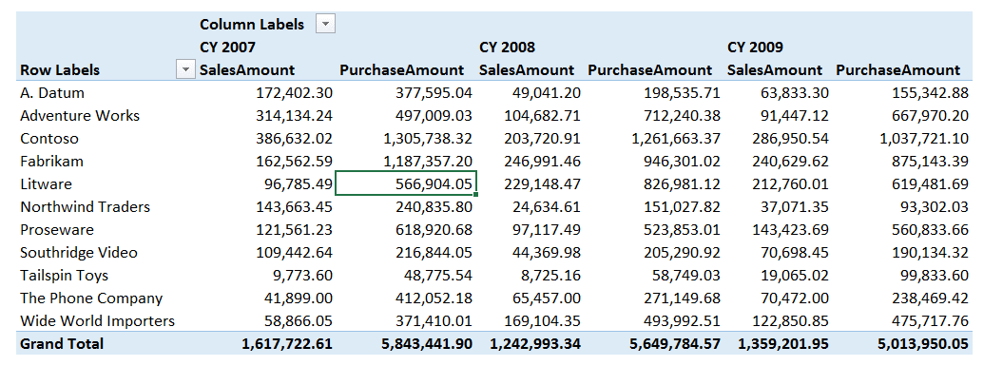
SUMX in DAX

Open Power Pivot

Create the Joins from the 2 Dimension tables (Calendar and Product) to the 2 Fact Tables (Purchases and Sales)

Create these measures: | PurchaseAmount | =SUMX ( Purchases, Purchases[Quantity] * Purchases[Unit Cost] ) | Note: Store this in the Purchases table

 | SalesAmount | =SUMX ( Sales, Sales[Quantity] * Sales[Unit Price] ) | Note: Store this in the Sales table

Then create this Pivot Table (brand is in the rows)

